Data Aug Details
Speaker | Layer Frozen | Training Loss Graph | Training Accuracy Graph | Accuracy | % Change from Normal

F05 | Augmented_F05_D3 | 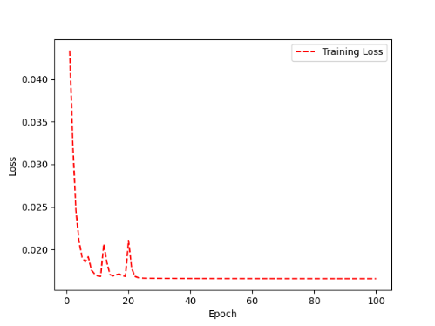 | 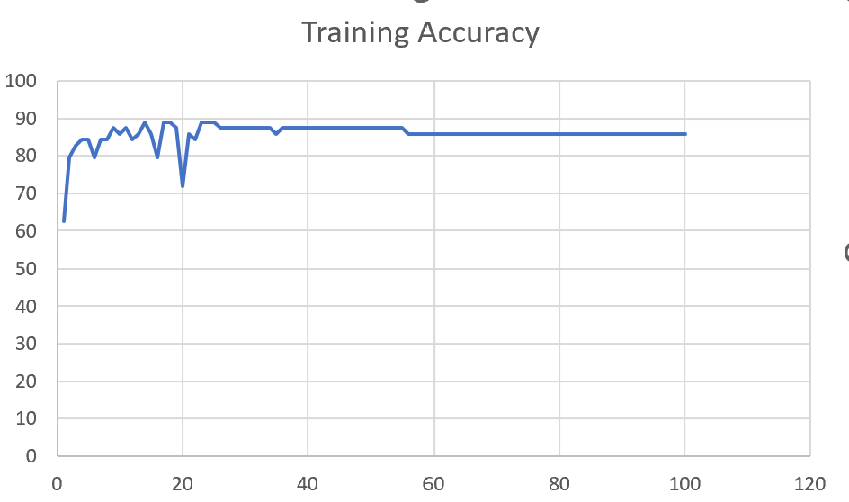 | 93 | 2

 | Augmented_F05_TE | 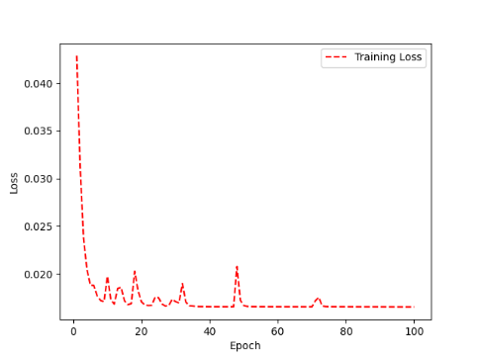 | 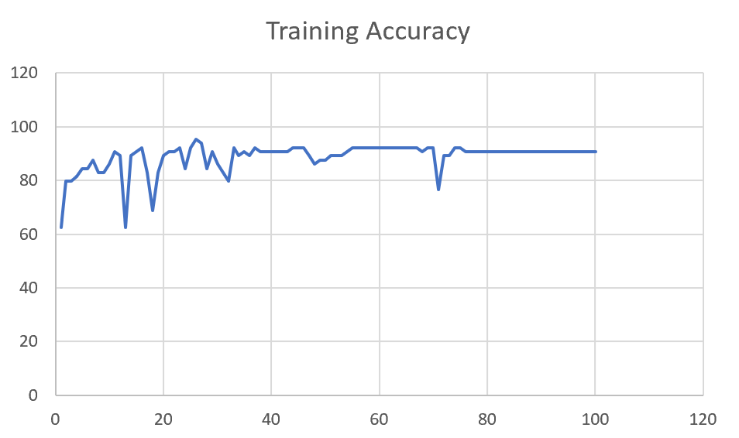 | 93 | 3

M08 | Augmented_M08_T3+D123 | 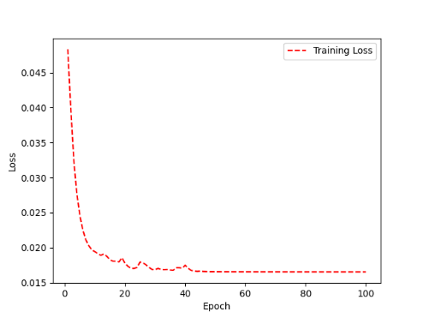 | 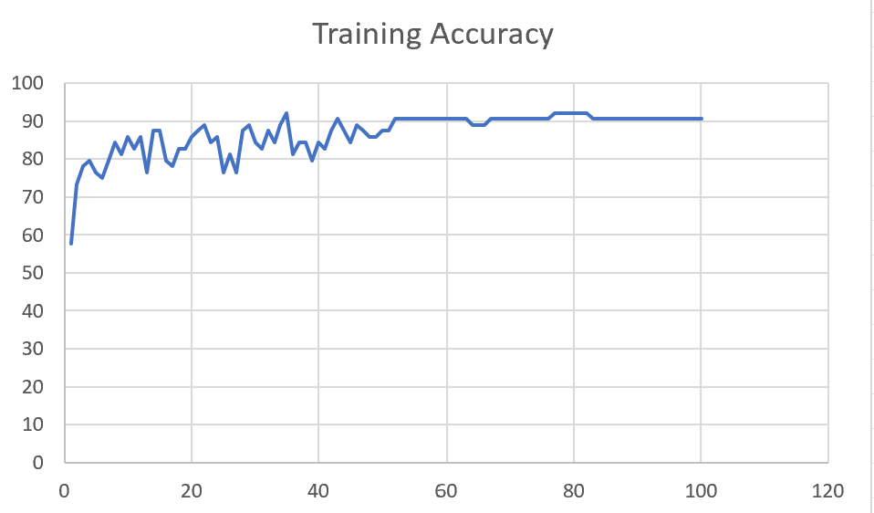 | 88 | 4

 | Augmented_M08_T3+D12 | 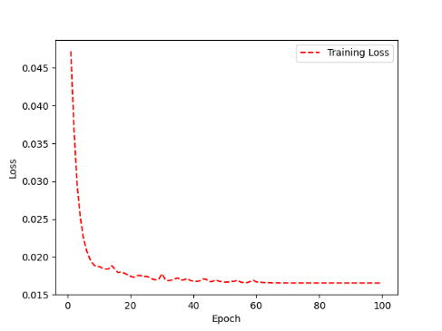 | 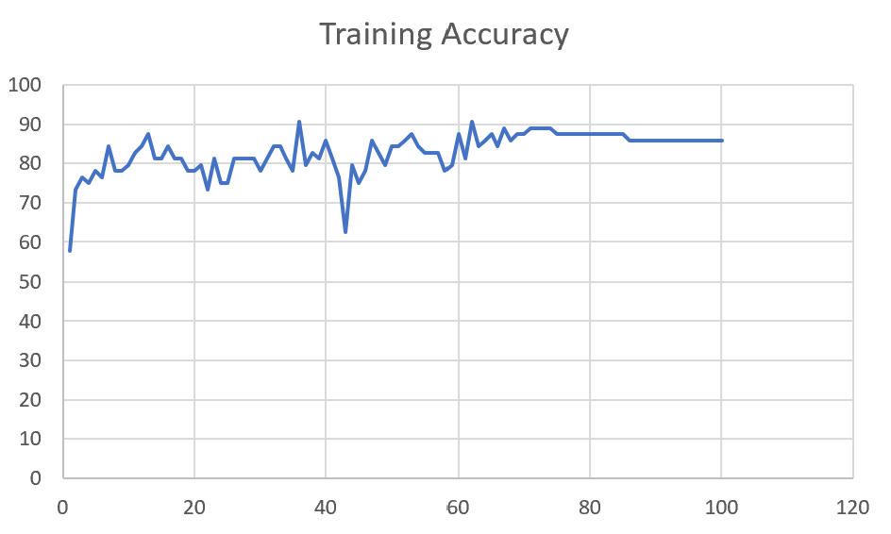 | 88 | 6

M10 | Augmented_M10_T3+D1 | 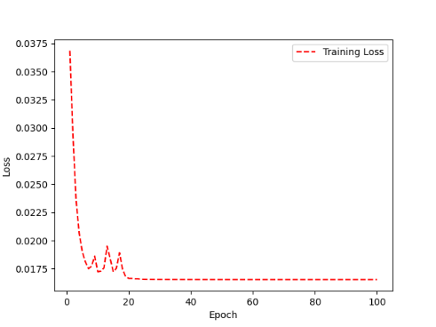 | 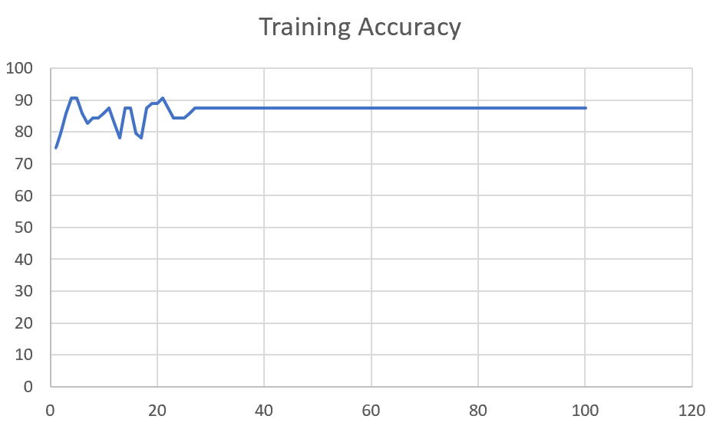 | 91 | -1

 | Augmented_M10_E1 | 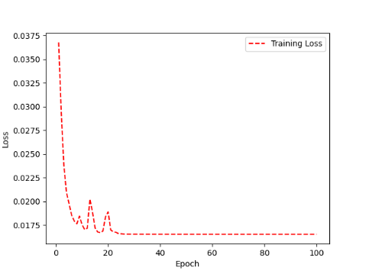 | 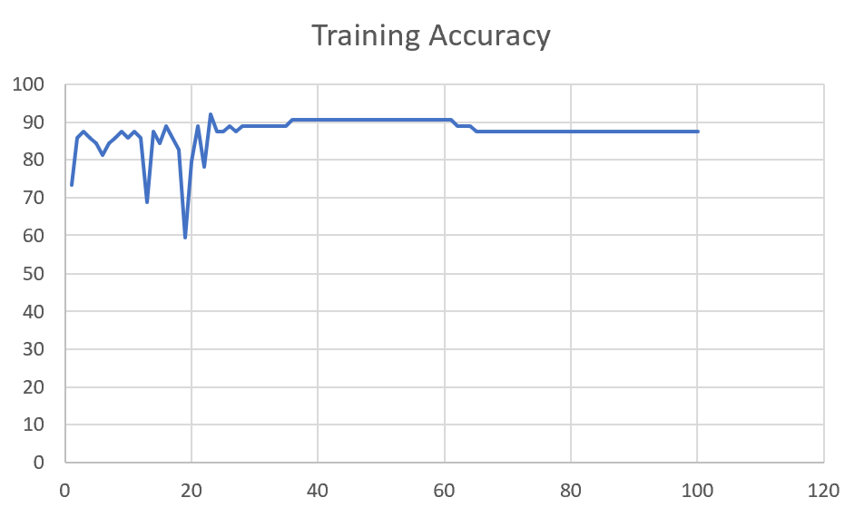 | 91 | 0

M14 | Augmented_M14_D3 | 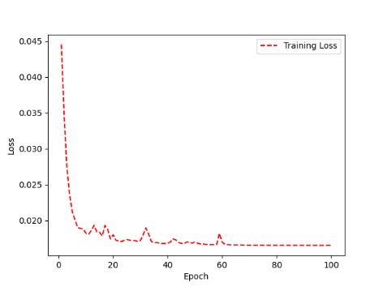 | 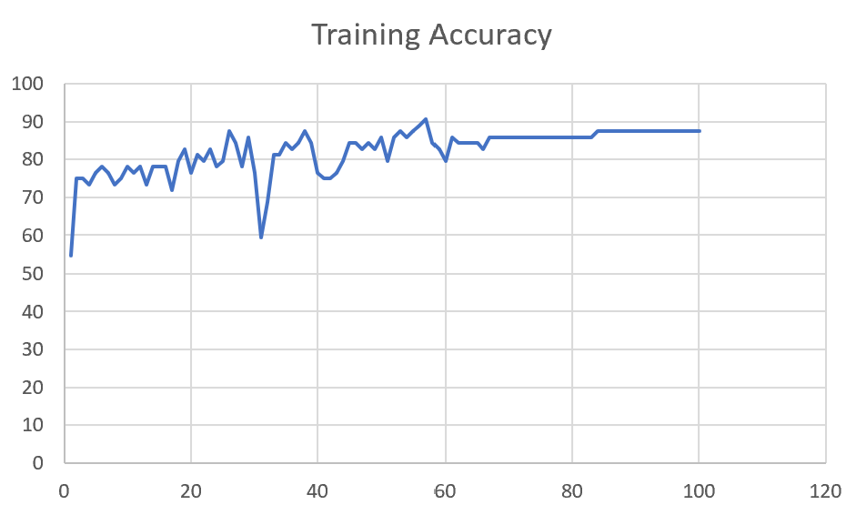 | 84

 | Augmented_M14_T3+D1 | 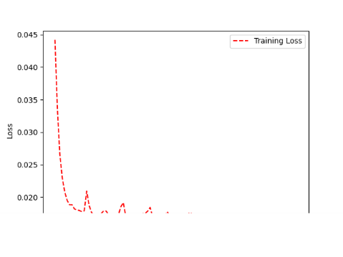 | 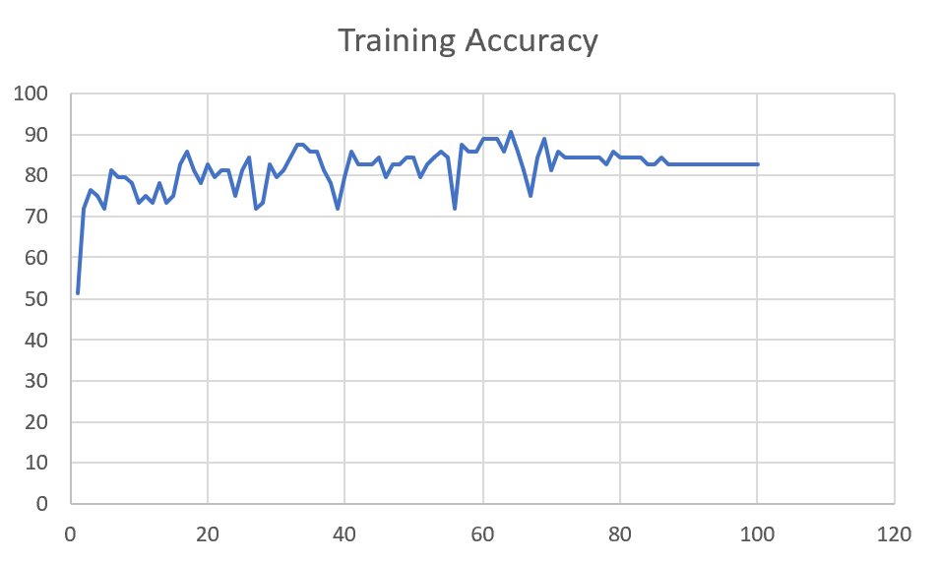 | 85

M09 | Augmented_M09_D3 | 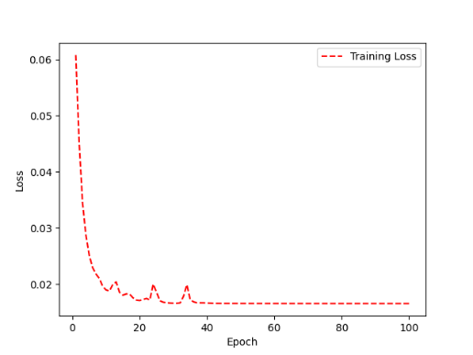 | 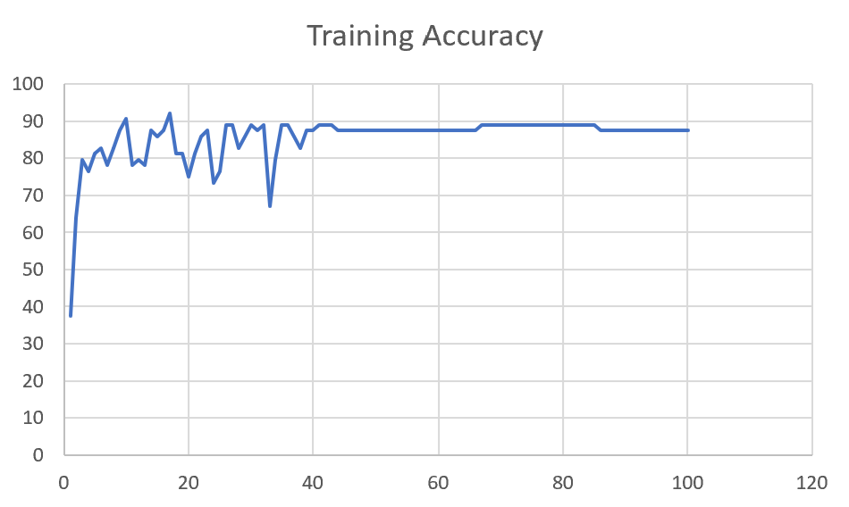 | 84

 | Augmented_M09_TE | 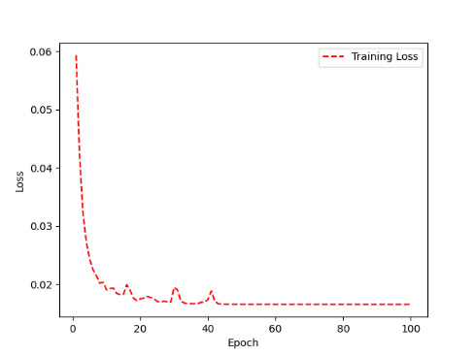 | 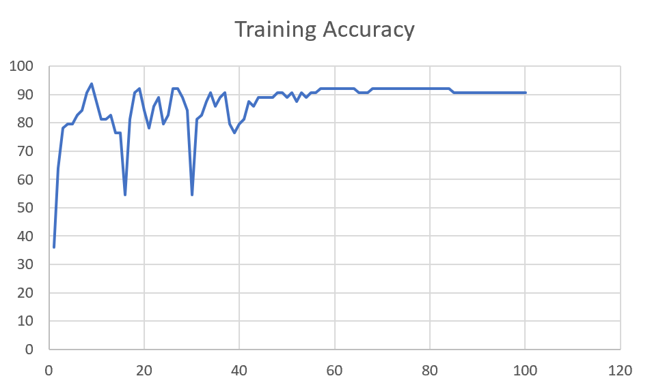 | 82

M09 | Augmented_M09_D3 |  |  | 84

 | Augmented_M09_TE |  |  | 82

Sheet1
 |  |  | Training Accuracy
0 | 0.640625 | 1 | 35.9375
1 | 0.359375 | 2 | 64.0625
2 | 0.21875 | 3 | 78.125
3 | 0.203125 | 4 | 79.6875
4 | 0.203125 | 5 | 79.6875
5 | 0.171875 | 6 | 82.8125
6 | 0.15625 | 7 | 84.375
7 | 0.09375 | 8 | 90.625
8 | 0.0625 | 9 | 93.75
9 | 0.125 | 10 | 87.5
10 | 0.1875 | 11 | 81.25
11 | 0.1875 | 12 | 81.25
12 | 0.171875 | 13 | 82.8125
13 | 0.234375 | 14 | 76.5625
14 | 0.234375 | 15 | 76.5625
15 | 0.453125 | 16 | 54.6875
16 | 0.1875 | 17 | 81.25
17 | 0.09375 | 18 | 90.625
18 | 0.078125 | 19 | 92.1875
19 | 0.15625 | 20 | 84.375
20 | 0.21875 | 21 | 78.125
21 | 0.140625 | 22 | 85.9375
22 | 0.109375 | 23 | 89.0625
23 | 0.203125 | 24 | 79.6875
24 | 0.171875 | 25 | 82.8125
25 | 0.078125 | 26 | 92.1875
26 | 0.078125 | 27 | 92.1875
27 | 0.109375 | 28 | 89.0625
28 | 0.15625 | 29 | 84.375
29 | 0.453125 | 30 | 54.6875
30 | 0.1875 | 31 | 81.25
31 | 0.171875 | 32 | 82.8125
32 | 0.125 | 33 | 87.5
33 | 0.09375 | 34 | 90.625
34 | 0.140625 | 35 | 85.9375
35 | 0.109375 | 36 | 89.0625
36 | 0.09375 | 37 | 90.625
37 | 0.203125 | 38 | 79.6875
38 | 0.234375 | 39 | 76.5625
39 | 0.203125 | 40 | 79.6875
40 | 0.1875 | 41 | 81.25
41 | 0.125 | 42 | 87.5
42 | 0.140625 | 43 | 85.9375
43 | 0.109375 | 44 | 89.0625
44 | 0.109375 | 45 | 89.0625
45 | 0.109375 | 46 | 89.0625
46 | 0.109375 | 47 | 89.0625
47 | 0.09375 | 48 | 90.625
48 | 0.09375 | 49 | 90.625
49 | 0.109375 | 50 | 89.0625
50 | 0.09375 | 51 | 90.625
51 | 0.125 | 52 | 87.5
52 | 0.09375 | 53 | 90.625
53 | 0.109375 | 54 | 89.0625
54 | 0.09375 | 55 | 90.625
55 | 0.09375 | 56 | 90.625
56 | 0.078125 | 57 | 92.1875
57 | 0.078125 | 58 | 92.1875
58 | 0.078125 | 59 | 92.1875
59 | 0.078125 | 60 | 92.1875
60 | 0.078125 | 61 | 92.1875
61 | 0.078125 | 62 | 92.1875
62 | 0.078125 | 63 | 92.1875
63 | 0.078125 | 64 | 92.1875
64 | 0.09375 | 65 | 90.625
65 | 0.09375 | 66 | 90.625
66 | 0.09375 | 67 | 90.625
67 | 0.078125 | 68 | 92.1875
68 | 0.078125 | 69 | 92.1875
69 | 0.078125 | 70 | 92.1875
70 | 0.078125 | 71 | 92.1875
71 | 0.078125 | 72 | 92.1875
72 | 0.078125 | 73 | 92.1875
73 | 0.078125 | 74 | 92.1875
74 | 0.078125 | 75 | 92.1875
75 | 0.078125 | 76 | 92.1875
76 | 0.078125 | 77 | 92.1875
77 | 0.078125 | 78 | 92.1875
78 | 0.078125 | 79 | 92.1875
79 | 0.078125 | 80 | 92.1875
80 | 0.078125 | 81 | 92.1875
81 | 0.078125 | 82 | 92.1875
82 | 0.078125 | 83 | 92.1875
83 | 0.078125 | 84 | 92.1875
84 | 0.09375 | 85 | 90.625
85 | 0.09375 | 86 | 90.625
86 | 0.09375 | 87 | 90.625
87 | 0.09375 | 88 | 90.625
88 | 0.09375 | 89 | 90.625
89 | 0.09375 | 90 | 90.625
90 | 0.09375 | 91 | 90.625
91 | 0.09375 | 92 | 90.625
92 | 0.09375 | 93 | 90.625
93 | 0.09375 | 94 | 90.625
94 | 0.09375 | 95 | 90.625
95 | 0.09375 | 96 | 90.625
96 | 0.09375 | 97 | 90.625
97 | 0.09375 | 98 | 90.625
98 | 0.09375 | 99 | 90.625
99 | 0.09375 | 100 | 90.625
<__main__.DisplayOutputs object at 0x7feb9db64c40> | 0.09375 | #VALUE! | 90.625
<__main__.DisplayOutputs object at 0x7feb9db64c40> | 0.25 | #VALUE! | 75
<__main__.DisplayOutputs object at 0x7feb9db64c40> | 0.171875 | #VALUE! | 82.8125
<__main__.DisplayOutputs object at 0x7feb9db64c40> | 0.21875 | #VALUE! | 78.125
<__main__.DisplayOutputs object at 0x7feb9db64c40> | 0.21875 | #VALUE! | 78.125
<__main__.DisplayOutputs object at 0x7feb9db64c40> | 0.1875 | #VALUE! | 81.25
<__main__.DisplayOutputs object at 0x7feb9db64c40> | 0.25 | #VALUE! | 75
<__main__.DisplayOutputs object at 0x7feb9db64c40> | 0.21875 | #VALUE! | 78.125
<__main__.DisplayOutputs object at 0x7feb9db64c40> | 0.125 | #VALUE! | 87.5
<__main__.DisplayOutputs object at 0x7feb9db64c40> | 0.1875 | #VALUE! | 81.25
<__main__.DisplayOutputs object at 0x7feb9db64c40> | 0.09375 | #VALUE! | 90.625
<__main__.DisplayOutputs object at 0x7feb9db64c40> | 0.1875 | #VALUE! | 81.25
<__main__.DisplayOutputs object at 0x7feb9db64c40> | 0.15625 | #VALUE! | 84.375
<__main__.DisplayOutputs object at 0x7feb9db64c40> | 0.234375 | #VALUE! | 76.5625
<__main__.DisplayOutputs object at 0x7feb9db64c40> | 0.203125 | #VALUE! | 79.6875
<__main__.DisplayOutputs object at 0x7feb9db64c40> | 0.265625 | #VALUE! | 73.4375
<__main__.DisplayOutputs object at 0x7feb9db64c40> | 0.065573770492 | #VALUE! | 93.442622951
<__main__.DisplayOutputs object at 0x7fcfe04bb910> | 0.640625
<__main__.DisplayOutputs object at 0x7fcfe04bb910> | 0.50819672131

